Coffee Chain Analysis
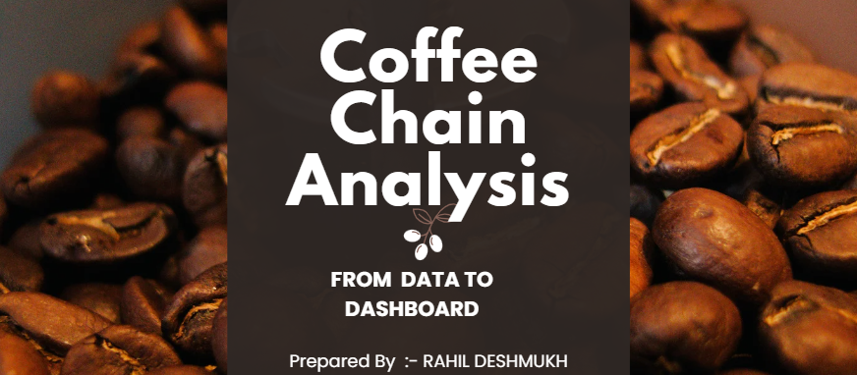

Dashboard
 | Total
Amaretto | 6781
Caffe Latte | 8665
Caffe Mocha | 21716
Chamomile | 19295
Colombian | 30761
Darjeeling | 17758
Decaf Espresso | 18888
Decaf Irish Cream | 14831
Earl Grey | 16546
Green Tea | 8520
Lemon | 24048
Mint | 8342
Regular Espresso | 6744
FILTERS

Statistical Analysis
To Calculate The Total Sales For A Specific Area Code and Type, Please Select The Desired Values From The Drop-Down Menu's Below

 |  |  | Area Code | Type | Total Sales
 |  |  | 915 | Regular | $309

To Estimate The Average Cost Of Goods Sold (COGS) For A Specific Area Code, Please Choose The Appropriate Options From The Drop-Down Menu's Below

 |  |  | Area Code | Average Cogs
 |  |  | 918 | $81.00

To Obtain The Total Number Of Orders For A Specific Market, Please Select The Desired Market From The Drop-Down Menu

 |  |  | Market | Count of Orders
 |  |  | East | 222

SUMMARY OF STATISTICS (SALES)

• The sales data has a positive skewness of 1.756, which means that the distribution is positively skewed and has a long right tail. This indicates that most of the sales values are below the mean ($191.05), and there are some extremely high values that pull the mean to the right of the median and the mode.
• The sales data has a kurtosis of 2.767, which is less than 3, the kurtosis of a normal
distribution. This means that the sales data has platykurtic distribution. This indicates
that the sales data has fewer outliers and less variability than a normal distribution.
 | Central Tendency
 | Mean | $191.05
 | Median | $133.00
 | Mode | $120.00
 | Standard Deviation | $148.20
 | Max | $815.00
 | Min | $21.00
 | Skewness | 1.76
 | Kurtosis | 2.77

Sales
FILTERS
Total Sales | Regions
Products | West | South | East | Central | Grand Total
Amaretto | $2,307 | N/A | $743 | $3,731 | $6,781
Caffe Latte | $4,697 | $3,968 | N/A | N/A | $8,665
Caffe Mocha | $5,168 | $3,800 | $4,112 | $8,636 | $21,716
Chamomile | $6,306 | $3,290 | $328 | $9,371 | $19,295
Colombian | $7,082 | $5,832 | $10,958 | $6,889 | $30,761
Darjeeling | $7,324 | N/A | $3,376 | $7,058 | $17,758
Decaf Espresso | $7,721 | $3,445 | $1,912 | $5,810 | $18,888
Decaf Irish Cream | $4,564 | $2,457 | $1,617 | $6,193 | $14,831
Earl Grey | $6,341 | N/A | $1,847 | $8,358 | $16,546
Green Tea | $4,141 | N/A | $2,667 | $1,712 | $8,520
Lemon | $8,544 | $3,596 | $6,876 | $5,032 | $24,048
Mint | $3,223 | N/A | $2,928 | $2,191 | $8,342
Regular Espresso | N/A | N/A | $6,744 | N/A | $6,744
Grand Total | $67,418 | $26,388 | $44,108 | $64,981 | $202,895

Profit of Product Type
Profit Analysis Of Product Types By Market Size
DATA VISUALIZATION STATEMENT:-
The data presents the profit analysis of four product categories (Espresso, Coffee, Herbal Tea, and Tea) across two market sizes (Major and Small). The analysis indicates that Espresso and Coffee are the most lucrative categories, with Espresso having a slight edge over Coffee. The Major Market accounts for a higher proportion of profit for each category than the Small Market with the exception of Herbal Tea . The Tea category is the least profitable, with the lowest profit margin. Based on the data, the company should prioritize the sales of Espresso and Coffee, particularly in the Major Market , and devise strategies to enhance the profitability of Tea.
Total Profit | Market_size
Product Type | Major Market | Small Market | Grand Total
☕Espresso | $11,407 | $6,473 | $17,880
☕Coffee | $11,911 | $5,574 | $17,485
☕Herbal Tea | $6,825 | $9,081 | $15,906
☕Tea | $7,665 | $5,375 | $13,040
Grand Total | $37,808 | $26,503 | $64,311

Diff Between Actual And Target
REGION WISE PROFIT

REGIONS | Sum of Difference Between Actual and Target Profit
Central | -$659.00
East | $1165.00
South | -$244.00
West | $149.00
Grand Total | $411.00
DATA VISUALIZATION STATEMENT :-
• The Central Region experienced a
significant drop in sales of 160.34%, leading
to a net loss of $659.00.
• The South Region also faced a decline in
sales of 59.37%, resulting in a net loss of
$244.00 .

Profit Made By Each Product
Profitibility Of Products
DATA VISUALIZATION STATEMENT :-
The data indicates that the Green Tea had the least profitable performance of all the products with a profit of 0.14%, whereas the Colombian product attained the most profitable outcome with a profit of 20.11%.
Percentage of total 'Profit' by 'Product'

Product | Sum of Profit
Colombian | 20.11%
Lemon | 11.84%
Decaf Espresso | 10.95%
Chamomile | 10.89%
Darjeeling | 10.85%
Earl Grey | 9.29%
Caffe Mocha | 7.29%
Regular Espresso | 5.35%
FILTER :-
Decaf Irish Cream | 4.98%
Caffe Latte | 4.22%
Amaretto | 2.10%
Mint | 2.00%
Green Tea | 0.14%
Grand Total | 100.00%

Inventory Margin By Market Size
Inventory Margin Analysis By Market Size And Type Of Product
Average of Inventory Margin | Type
Market_size | Decaf | Regular | Grand Total
Major Market | $1,021.60 | $894.28 | $949.87
Small Market | $800.83 | $666.78 | $724.96
Grand Total | $889.71 | $757.78 | $815.18
DATA VISUALIZATION STATEMENT :-
According to the visualization, Decaf
coffee outperforms Regular coffee in
terms of inventory margin across both
market sizes. Moreover, Major Markets
generate higher inventory margins
than Small Markets for both coffee
varieties. The mean inventory margin of Market size is $815.16.

SalesandTarget_profit(Relation)
CORRELATION BETWEEN SALES AND TARGET PROFIT
 | Target_profit
$66.00 | $60.00
$68.00 | $50.00
$120.00 | $60.00
$114.00 | $50.00
$77.00 | $30.00
$92.00 | $40.00
$92.00 | $40.00
$78.00 | $50.00
$88.00 | $40.00
$121.00 | $20.00
$113.00 | $40.00
$109.00 | $30.00
$99.00 | $40.00
$85.00 | $50.00
$82.00 | $50.00
$122.00 | $30.00
$88.00 | $20.00
$70.00 | $60.00
$72.00 | $50.00
$128.00 | $60.00
$121.00 | $50.00
$82.00 | $30.00
$98.00 | $40.00
$98.00 | $40.00
$83.00 | $50.00
$94.00 | $40.00
$129.00 | $20.00
$120.00 | $40.00
$116.00 | $30.00
$106.00 | $40.00
$91.00 | $50.00
$87.00 | $50.00
$130.00 | $30.00
$94.00 | $20.00
$90.00 | $50.00
$122.00 | $10.00
$74.00 | $10.00
$99.00 | $30.00
$101.00 | $20.00
$69.00 | $30.00
$96.00 | $50.00
$130.00 | $10.00
$79.00 | $10.00
$106.00 | $30.00
$108.00 | $20.00
$74.00 | $30.00
$109.00 | $10.00
$68.00 | $30.00
$64.00 | $20.00
$64.00 | $20.00
...
DATA VISUALIZATION STATEMENT : -
• The graph demonstrates a robust positive correlation
between sales and target profit, implying that higher
sales lead to higher target profit.
• This indicates that the company is achieving its profit
objectives and has a strong financial performance.
• However, the graph also shows some variability in the
data, as some observations deviate more from the
trend line than others.This may reflect the influence of
external factors such as seasonal fluctuations,
marketing strategies, or competitive pressures.

State-Wise Performance
STATE-WISE PERFORMANCE
DATA VISUALISATION STATEMENT :-
According to the chart , four states - California, Louisiana, New Hampshire, and New York have surpassed their sales goals by a considerable margin . while Illinois has failed to meet its sales objective by a large gap . The chart also displays the aggregate performance of all the states, All states have met their sales targets, with the exception of Illinois . This implies that the overall sales performance is satisfactory, but some states need to enhance their sales strategies.

Row Labels | Sum of Sales | Sum of Target sales
California | $23,032 | $21,200
Colorado | $12,112 | $11,120
Connecticut | $6,670 | $5,420
Florida | $8,825 | $7,160
Illinois | $16,812 | $17,380
Iowa | $13,359 | $10,960
Louisiana | $6,193 | $5,320
Massachusetts | $7,339 | $6,300
Missouri | $6,072 | $5,460
Nevada | $14,822 | $11,140
New Hampshire | $3,543 | $2,860
New Mexico | $3,805 | $3,340
New York | $17,731 | $15,000
Ohio | $8,787 | $8,420
Oklahoma | $7,298 | $6,280
Oregon | $10,661 | $9,120
Texas | $9,092 | $8,500
Utah | $9,159 | $8,240
Washington | $9,744 | $8,500
Wisconsin | $7,839 | $7,220
Grand Total | $202,895 | $178,940

DashboardDefault
Market | (All)

Row Labels | Sum of Sales
Amaretto | 6781
Caffe Latte | 8665
Caffe Mocha | 21716
Chamomile | 19295
Colombian | 30761
Darjeeling | 17758
Decaf Espresso | 18888
Decaf Irish Cream | 14831
Earl Grey | 16546
Green Tea | 8520
Lemon | 24048
Mint | 8342
Regular Espresso | 6744
Grand Total | 202895

